Sheet1
Neural Network Laboratory Experiment 4 Output
S.No. | Configuration | Activation function(hidden layer) | Loss Curve Accuracy Curve | Test Accuracy(%) | Confusion Matrix | Execution time(seconds)
1 | Configuration 1: Hiddenn layers : 256 | ReLU | 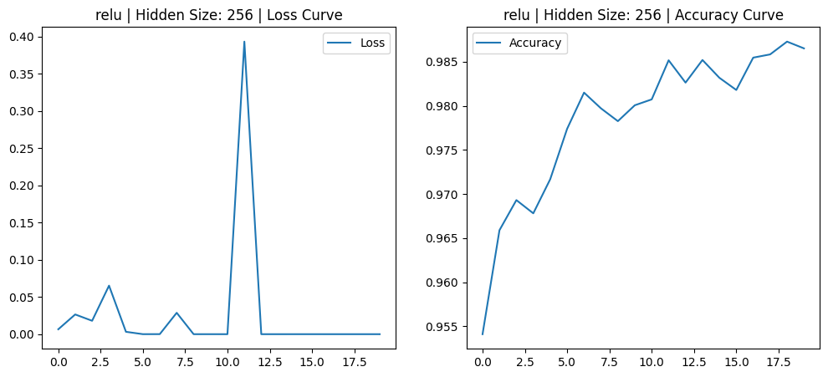 | 0.9674 | 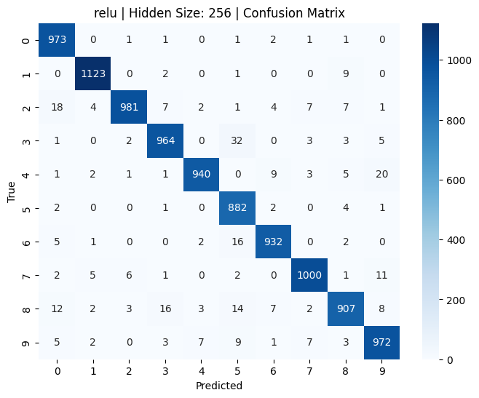 | 355.16
2 | Configuration 2: Hiddenn layers : 128 | ReLU | 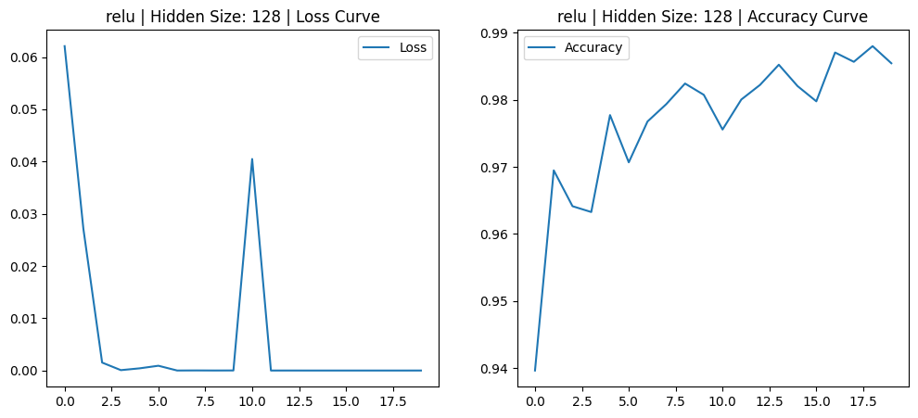 | 0.9633 |  | 331.42
3 | Configuration 3: Hiddenn layers: 64 | ReLU | 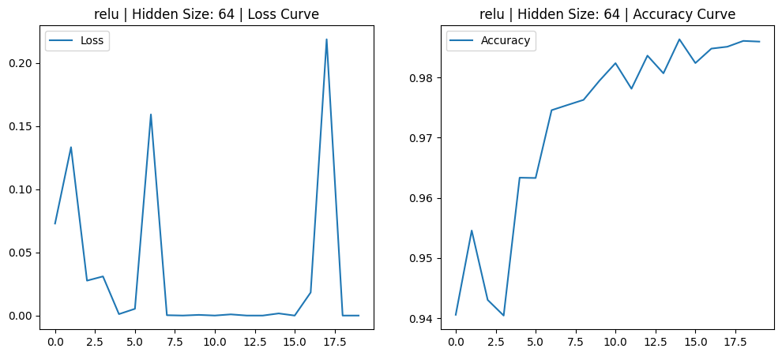 | 0.9644 |  | 297.24
4 | Configuration 4: Hiddenn layers: 256 | Sigmoid | 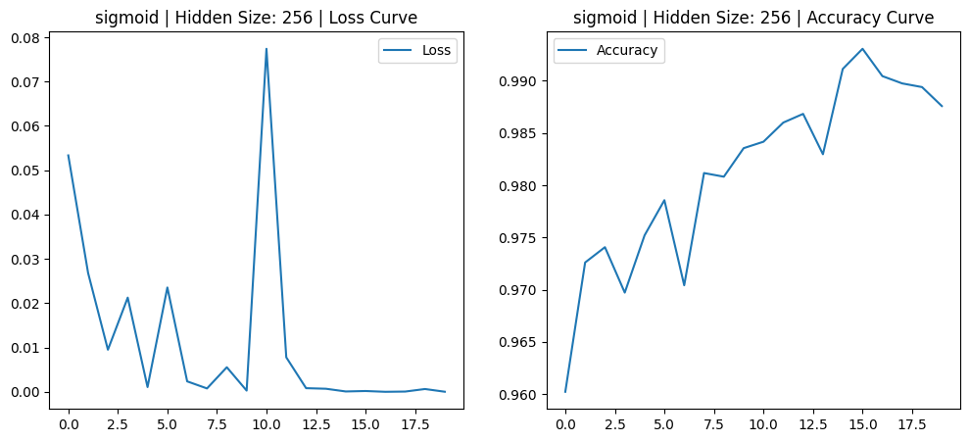 | 0.9701 |  | 794.54
5 | Configuration 5: Hiddenn layers: 128 | Sigmoid | 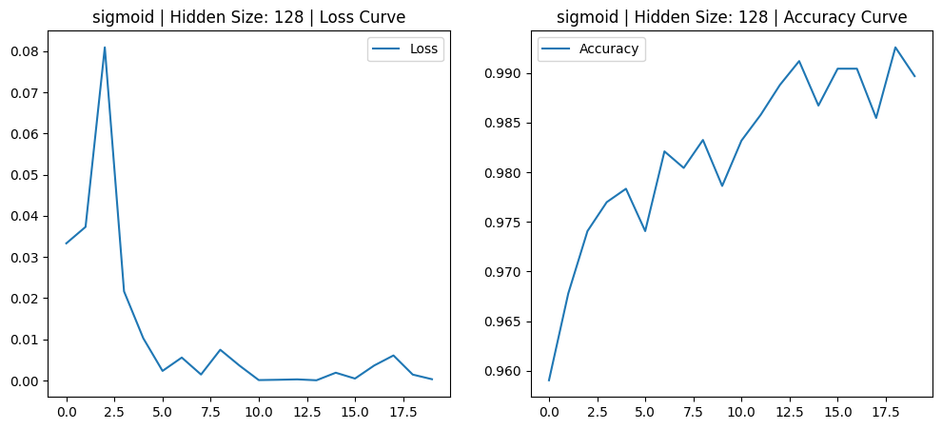 | 0.9696 |  | 487.57
6 | Configuration 6: Hiddenn layers : 64 | Sigmoid | 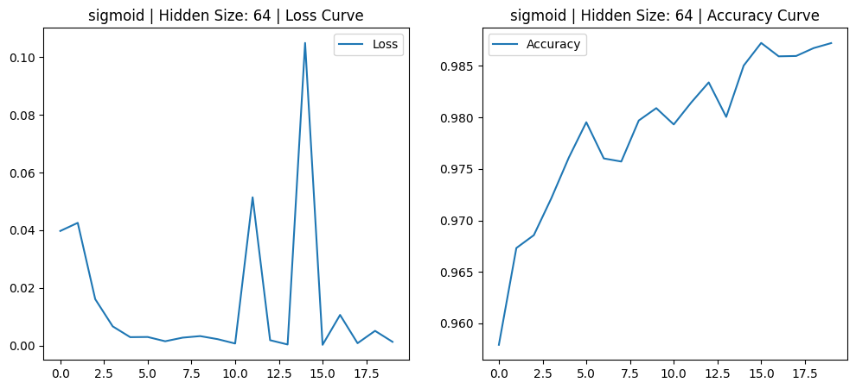 | 0.9633 |  | 303.65
7 | Configuration 7: Hiddenn layers : 256 | Tanh | 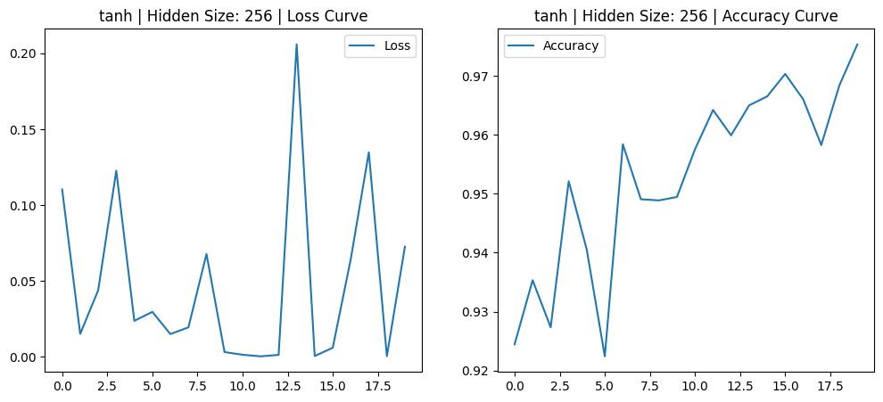 | 0.9661 |  | 352.44
8 | Configuration 8: Hiddenn layers : 128 | Tanh | 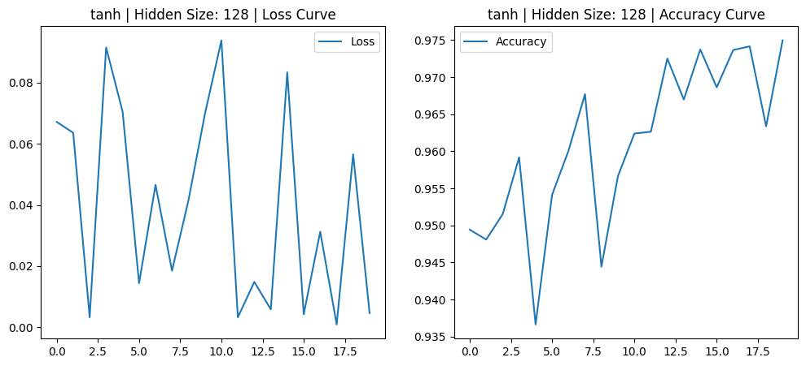 | 0.9601 |  | 323.27
9 | Configuration 9: Hiddenn layers : 64 | Tanh | 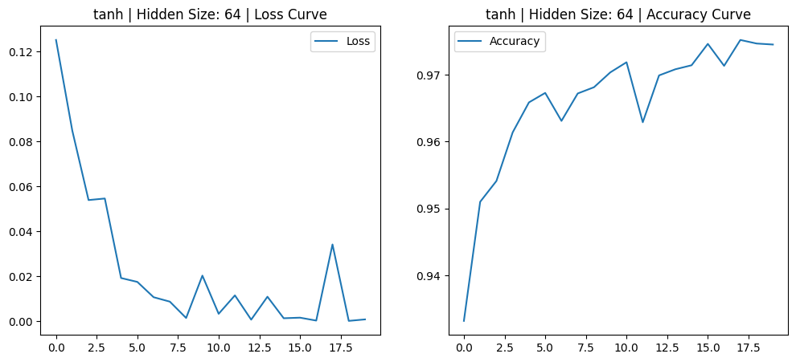 | 0.9627 |  | 298.79

